Notes and Instructions
Overhead and Employment Cost Calculator

Notes - Please read first
- This calculator is provided as a tool to help you calculate your employment costs & overhead rates.
- Ideally there should be a minimum of 3 months worth of data used for this calculator and users should review regularly.
- The calculations are based on recovering overheads from billable labour hours.
- This calculator does not take into account any material profits, therefore all material profits are purely profits to the jobs and the business.
- This calculator should be used under the guidance of your Simpro Implementation Consultant but please note these calculations are a guide only. You will need to confirm with your accountant.
- Please note the figures generated from this calculator are based on assumptions, therefore the figures will vary depending on the assumptions entered.
- If you need any further assistance please contact your Simpro Implementation Consultant.

Instructions
1) Determine if you are estimating overhead and employment costs based on a 3, 6 or 12 month period. All figures you use in the calculator should represent costs for the same period.
2) Calculate your overheads for the nominated period and enter your total overhead figure into cell I3 on the 'OH & Employment Cost Summary' tab. (Review cost breakdown table below to see what is included in overheads.)
3) Enter employee information (one row per employee) in columns A to Q of the 'Employee Data Entry' worksheet. (Delete the test employee examples first.) Remember that these figures need to be based on the period determined in step 1 above. (Review cost breakdown table below to determine what is included in column L for 'other employment costs'.)
4) Enter your overhead per hour (cell H3 of the "OH & Employment Cost Summary") into the 'Default Overhead' field in Simpro Premium (System / Setup / System Setup / Labour / Labour Rates). (Please refer to the screenshots on the '"Simpro Data Entry" worksheet)
5) Enter your employee pay rates, employment costs and overhead rates (columns B, C and H) into the employee card file Rates tab in Simpro Premium. (Please refer to the screenshots on the '"Simpro Data Entry" worksheet)
6) Optional - an import template is included in the 'Employee Import' worksheet. Information from data entry and summary worksheets will auto-populate here, and can be used to generate an import file. Yellow columns are mandatory, all others are optional. Remove any subcontractors, as these will need to be imported separately. Consult your Implementation Consultant for more information.
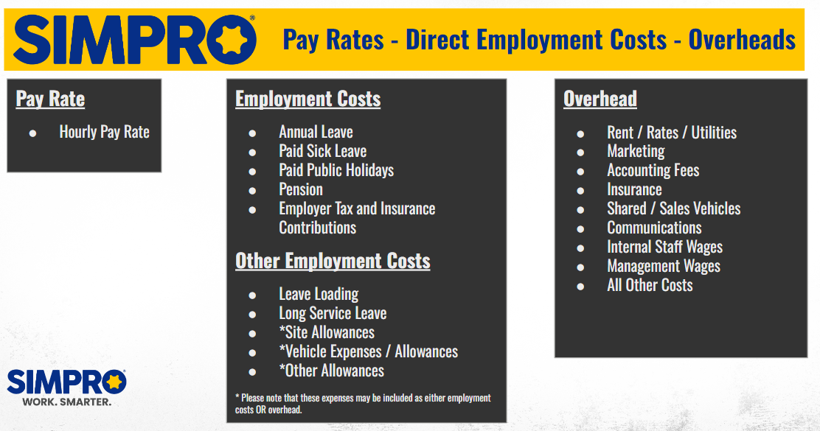
Please note that your Simpro Implementation Consultant will assist you with steps 4 and 5 during your training.

Simpro Data Entry
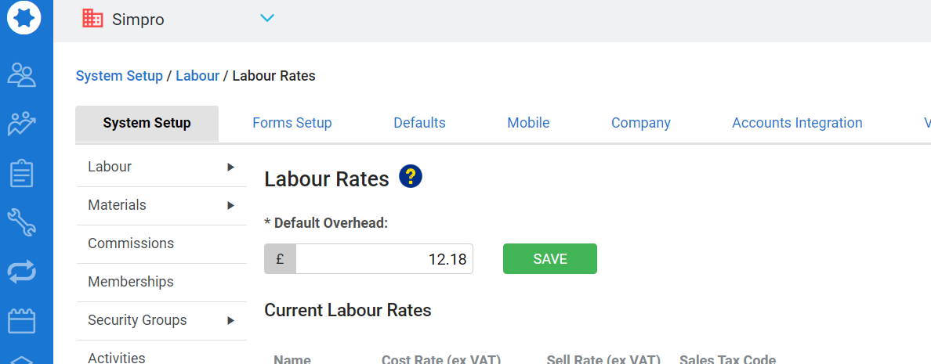
Simpro Data Entry - Employee Rates

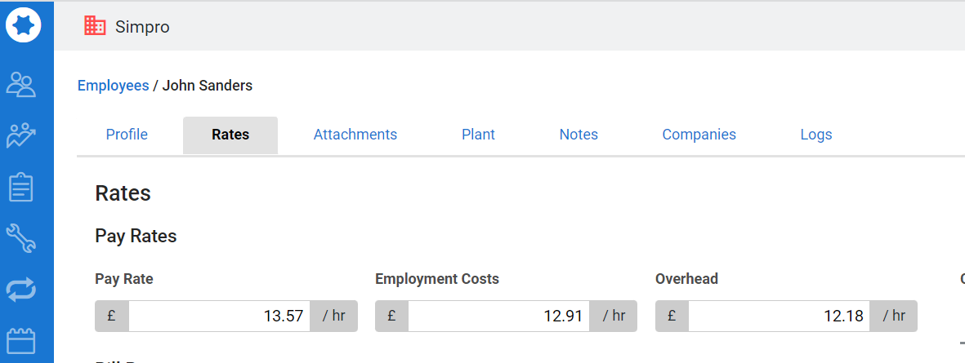

Simpro Data Entry - Default Overhead

