SIMPRO Data Entry
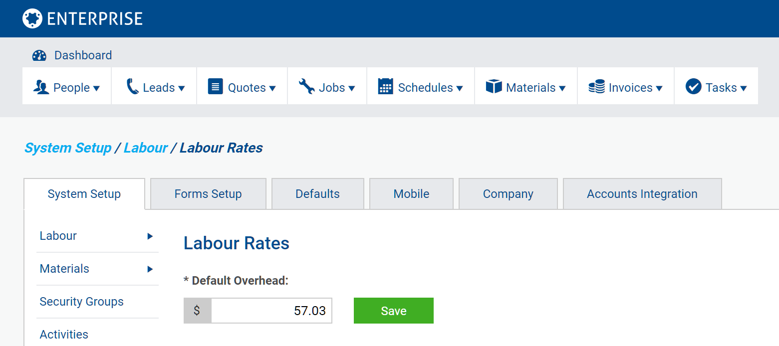
SIMPRO Data Entry - Employee Rates

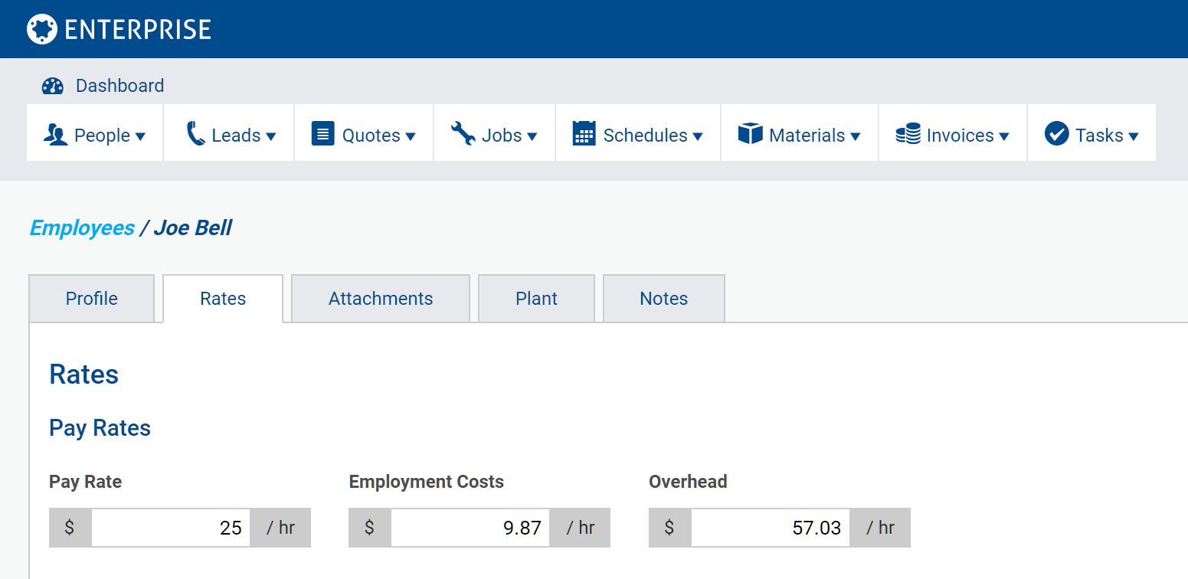

simPRO Data Entry - Default Overhead

